Figure 1
Victoria's emissions reduction targets

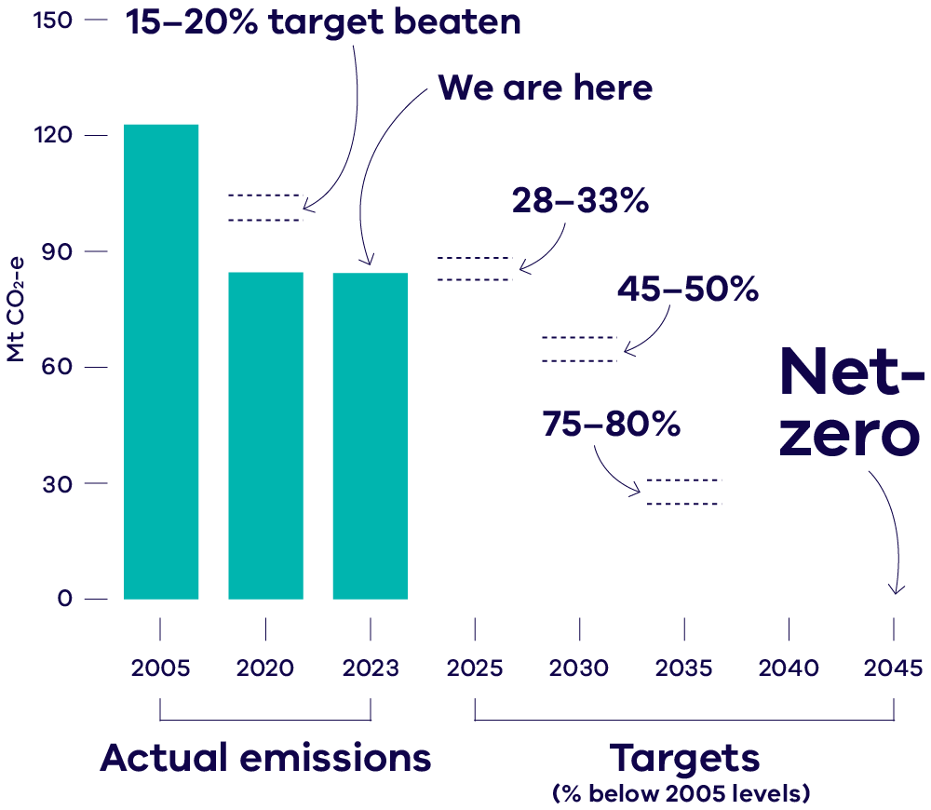

 | Actual emissions
 | Year | Emissions (Mt CO2-e) | % below 2005
 | 2005 | 122.7
 | 2020 | 84.6 | 31.0%
 | 2023 | 84.2 | 31.4%

 | Targets
 | Year | Emissions range (Mt CO2-e) | Target range % below 2005
 | 2020 | 98.1 - 104.3 | 15 - 20%
 | 2025 | 82.2 - 88.3 | 28 - 33%
 | 2030 | 61.3 - 67.5 | 45 - 50%
 | 2035 | 24.5 - 30.7 | 75 - 80%
 | 2045 | 0.0 | 100%

Figure 2
Victoria's total net emissions, 2005 to 2023

Year | 2005 | 2006 | 2007 | 2008 | 2009 | 2010 | 2011 | 2012 | 2013 | 2014 | 2015 | 2016 | 2017 | 2018 | 2019 | 2020 | 2021 | 2022 | 2023
Net emissions | 122.7 | 128.1 | 126.4 | 127.1 | 132.8 | 137.8 | 133.6 | 126.3 | 114.3 | 110.7 | 112.5 | 100.2 | 101.2 | 88.2 | 85.3 | 84.6 | 78.6 | 82.5 | 84.2
2005 net emisions | 122.7 | 122.7 | 122.7 | 122.7 | 122.7 | 122.7 | 122.7 | 122.7 | 122.7 | 122.7 | 122.7 | 122.7 | 122.7 | 122.7 | 122.7 | 122.7 | 122.7 | 122.7 | 122.7

Figure 3
Contribution to national emissions by state and territory, 2023

 | Jurisdiction | Share of national emissions in 2023
 | QLD | 28.3%
 | NSW | 25.2%
 | WA | 19.7%
 | VIC | 18.6%
 | NT | 5.2%
 | SA | 3.6%
 | ACT | 0.3%
 | TAS | -1.1%

Figure 4
Per capita emissions in Australia by state and territory, 2023

 | Emissions intensity (tCO2e/person)
NT | 93.2
WA | 31.0
QLD | 23.5
AUST | 17.0
NSW | 13.7
VIC | 12.3
SA | 8.8
ACT | 2.9
TAS | -8.6

Figure 5
Change in Gross State Product (GSP), population and emissions – Victoria, 1990 to 2023

Year | 1990 | 1991 | 1992 | 1993 | 1994 | 1995 | 1996 | 1997 | 1998 | 1999 | 2000 | 2001 | 2002 | 2003 | 2004 | 2005 | 2006 | 2007 | 2008 | 2009 | 2010 | 2011 | 2012 | 2013 | 2014 | 2015 | 2016 | 2017 | 2018 | 2019 | 2020 | 2021 | 2022 | 2023
Emissions | 0.0% | -2.0% | -2.2% | -2.7% | -2.3% | -2.1% | -3.0% | -1.3% | 3.8% | 4.1% | 8.1% | 9.9% | 8.1% | 13.4% | 17.9% | 13.2% | 18.2% | 16.7% | 17.3% | 22.6% | 27.2% | 23.4% | 16.5% | 5.5% | 2.1% | 3.8% | -7.5% | -6.5% | -18.6% | -21.3% | -21.9% | -27.5% | -23.9% | -22.3%
GSP | 0.0% | -2.6% | -3.9% | 0.9% | 4.3% | 7.5% | 11.2% | 16.1% | 23.0% | 30.8% | 35.2% | 37.8% | 43.1% | 47.0% | 52.5% | 58.9% | 62.5% | 67.2% | 73.2% | 76.6% | 78.4% | 83.4% | 87.9% | 89.7% | 93.9% | 99.3% | 106.2% | 113.9% | 121.2% | 127.9% | 127.2% | 126.8% | 142.0% | 150.3%
Population | 0.0% | 1.0% | 1.6% | 1.9% | 2.2% | 2.7% | 3.6% | 4.4% | 5.2% | 6.3% | 7.4% | 8.8% | 10.0% | 11.3% | 12.5% | 13.9% | 15.6% | 17.7% | 20.0% | 22.7% | 24.7% | 26.5% | 29.1% | 31.8% | 34.6% | 37.5% | 41.0% | 43.9% | 46.7% | 49.3% | 51.1% | 49.5% | 51.4% | 55.7%

Figure 6
Victorian emissions by sector and energy subsector, 2023

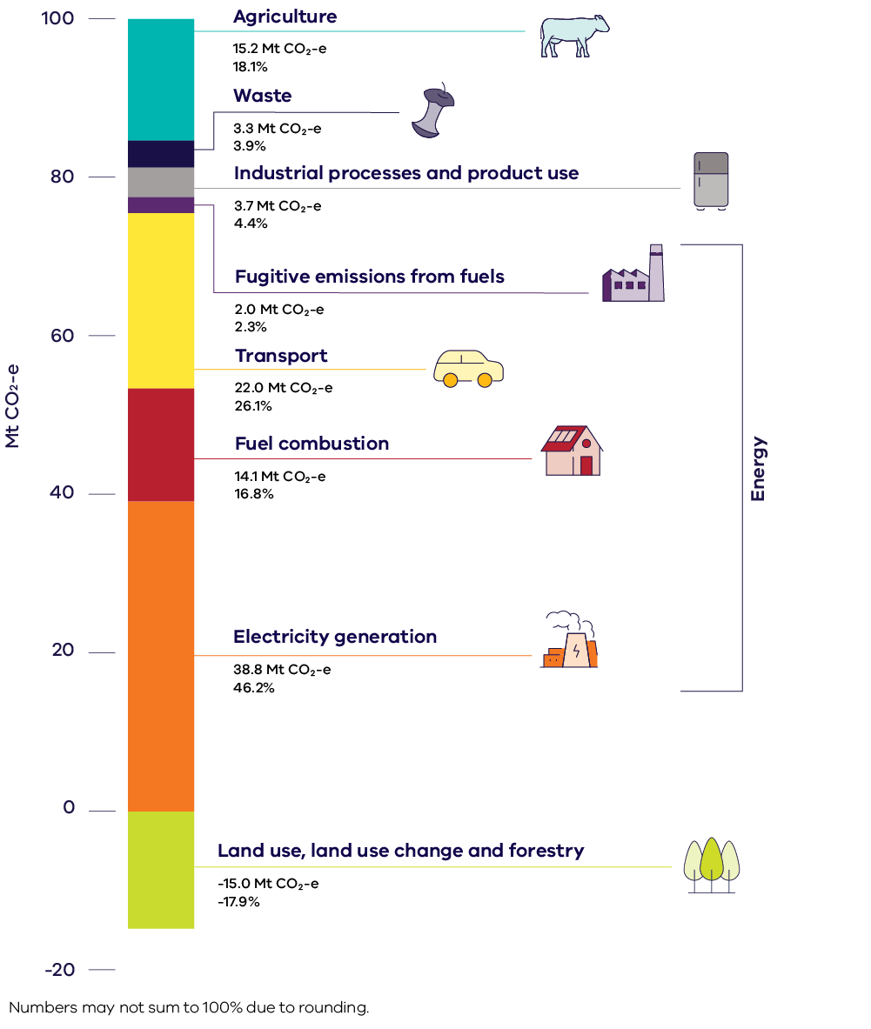

Energy
 | Sector | 2023 (Mt CO2-e) | Share
 | Electricity generation | 38.8 | 46.2%
 | Fuel combustion | 14.1 | 16.8%
 | Transport | 22.0 | 26.1%
 | Fugitive emissions from fuels | 2.0 | 2.3%
 | Industrial processes and product use | 3.74 | 4.4%
 | Agriculture | 15.2 | 18.1%
 | LULUCF | -15.0 | -17.9%
 | Waste | 3.3 | 3.9%
 | TOTAL | 84.2 | 100%

Figure 7
Total net emissions and emissions by sector – Victoria, 1990 to 2023

 | 1990 | 1991 | 1992 | 1993 | 1994 | 1995 | 1996 | 1997 | 1998 | 1999 | 2000 | 2001 | 2002 | 2003 | 2004 | 2005 | 2006 | 2007 | 2008 | 2009 | 2010 | 2011 | 2012 | 2013 | 2014 | 2015 | 2016 | 2017 | 2018 | 2019 | 2020 | 2021 | 2022 | 2023
Electricity Generation | 44.2 | 46.3 | 47.5 | 45.3 | 45.4 | 47.8 | 49.9 | 52.5 | 59.2 | 61.8 | 62.6 | 62.2 | 60.4 | 61.5 | 64.7 | 63.5 | 64.3 | 63.2 | 63.7 | 65.6 | 65.3 | 64.4 | 66.7 | 58.9 | 56.9 | 61.1 | 59.2 | 56.1 | 46.1 | 43.6 | 41.7 | 41.3 | 40.1 | 38.8
Fuel Combustion | 15.3 | 15.3 | 15.3 | 15.7 | 15.5 | 16.0 | 16.6 | 16.2 | 16.6 | 16.0 | 16.4 | 16.6 | 16.5 | 18.4 | 18.3 | 18.2 | 17.6 | 16.9 | 17.2 | 17.8 | 17.5 | 17.9 | 17.7 | 17.8 | 17.0 | 17.1 | 16.7 | 16.5 | 16.5 | 15.9 | 15.5 | 15.6 | 15.4 | 14.1
Transport | 15.9 | 15.5 | 15.8 | 16.0 | 16.2 | 16.6 | 17.1 | 17.6 | 17.5 | 17.8 | 18.1 | 18.0 | 18.5 | 19.3 | 20.0 | 20.1 | 20.4 | 20.7 | 20.8 | 21.0 | 21.3 | 22.2 | 21.7 | 22.0 | 22.4 | 23.0 | 22.5 | 22.9 | 22.6 | 22.7 | 20.7 | 18.5 | 19.8 | 22.0
Fugitive Emissions from fuels | 4.0 | 3.6 | 3.6 | 3.6 | 3.2 | 4.1 | 3.5 | 3.4 | 2.9 | 2.6 | 3.1 | 3.0 | 2.7 | 2.2 | 2.4 | 2.4 | 2.2 | 2.2 | 2.3 | 2.6 | 2.2 | 2.1 | 2.2 | 2.1 | 1.8 | 1.9 | 2.0 | 1.9 | 2.7 | 2.5 | 2.3 | 1.8 | 2.0 | 2.0
Industrial processes and product use | 2.5 | 2.5 | 2.5 | 2.3 | 1.9 | 1.8 | 1.7 | 1.6 | 1.9 | 1.9 | 2.0 | 2.2 | 2.4 | 2.5 | 2.6 | 2.8 | 2.7 | 2.9 | 3.0 | 3.2 | 3.3 | 3.6 | 3.6 | 3.4 | 3.3 | 3.2 | 3.2 | 3.2 | 3.3 | 3.5 | 3.6 | 3.7 | 3.6 | 3.7
Agriculture | 16.8 | 16.4 | 16.1 | 15.6 | 16.2 | 15.9 | 16.4 | 16.7 | 16.1 | 16.3 | 17.3 | 17.6 | 17.7 | 17.0 | 16.9 | 17.8 | 16.8 | 16.0 | 15.2 | 14.8 | 14.6 | 15.3 | 16.2 | 15.9 | 16.1 | 15.9 | 14.7 | 15.8 | 16.2 | 15.0 | 15.5 | 15.7 | 15.1 | 15.2
LULUCF | 3.3 | 0.3 | -1.0 | 0.8 | 1.5 | -2.0 | -5.1 | -6.0 | -6.4 | -8.4 | -6.6 | -5.0 | -5.6 | -2.3 | -1.3 | -6.3 | 0.0 | 0.5 | 1.0 | 3.8 | 9.7 | 4.8 | -5.0 | -8.2 | -9.2 | -12.4 | -21.1 | -18.1 | -21.7 | -20.7 | -17.5 | -20.9 | -16.7 | -15.0
Waste | 6.4 | 6.2 | 6.1 | 6.0 | 5.8 | 5.7 | 5.0 | 4.9 | 4.6 | 4.8 | 4.3 | 4.4 | 4.6 | 4.2 | 4.2 | 4.2 | 4.1 | 4.0 | 4.0 | 4.0 | 3.9 | 3.5 | 3.2 | 2.2 | 2.3 | 2.8 | 2.8 | 3.0 | 2.5 | 2.7 | 2.8 | 2.7 | 3.3 | 3.3
Net emissions | 108.3 | 106.2 | 105.9 | 105.4 | 105.8 | 106.0 | 105.1 | 106.9 | 112.4 | 112.8 | 117.2 | 119.0 | 117.1 | 122.8 | 127.7 | 122.7 | 128.1 | 126.4 | 127.1 | 132.8 | 137.8 | 133.6 | 126.3 | 114.3 | 110.7 | 112.5 | 100.2 | 101.2 | 88.2 | 85.3 | 84.6 | 78.6 | 82.5 | 84.2
2005 Emissions | 122.7 | 122.7 | 122.7 | 122.7 | 122.7 | 122.7 | 122.7 | 122.7 | 122.7 | 122.7 | 122.7 | 122.7 | 122.7 | 122.7 | 122.7 | 122.7 | 122.7 | 122.7 | 122.7 | 122.7 | 122.7 | 122.7 | 122.7 | 122.7 | 122.7 | 122.7 | 122.7 | 122.7 | 122.7 | 122.7 | 122.7 | 122.7 | 122.7 | 122.7

Figure 8
Changes in trends in Victoria’s total net emissions between 2005 and 2022 in the Victorian Greenhouse Gas Emissions Reports for 2022 and 2023

Inventory recalculations
 | 1990 | 1991 | 1992 | 1993 | 1994 | 1995 | 1996 | 1997 | 1998 | 1999 | 2000 | 2001 | 2002 | 2003 | 2004 | 2005 | 2006 | 2007 | 2008 | 2009 | 2010 | 2011 | 2012 | 2013 | 2014 | 2015 | 2016 | 2017 | 2018 | 2019 | 2020 | 2021 | 2022 | 2023 | % reduction on 2005
2023 Emissions Inventory | 108.3 | 106.2 | 105.9 | 105.4 | 105.8 | 106.0 | 105.1 | 106.9 | 112.4 | 112.8 | 117.2 | 119.0 | 117.1 | 122.8 | 127.7 | 122.65 | 128.1 | 126.4 | 127.1 | 132.8 | 137.8 | 133.6 | 126.3 | 114.3 | 110.7 | 112.5 | 100.2 | 101.2 | 88.2 | 85.3 | 84.6 | 78.6 | 82.5 | 84.2 | 32.7%
2022 Emissions Inventory | 108.6 | 106.4 | 106.2 | 105.6 | 106.0 | 106.1 | 105.2 | 107.1 | 112.6 | 112.9 | 117.3 | 119.2 | 117.3 | 122.4 | 128.2 | 123.2 | 128.5 | 127.0 | 127.6 | 133.1 | 138.2 | 134.2 | 127.3 | 115.0 | 111.2 | 113.1 | 100.8 | 102.1 | 88.9 | 86.8 | 86.2 | 80.4 | 84.7 |  | 31.3%

